Website Trans. Rating Scale
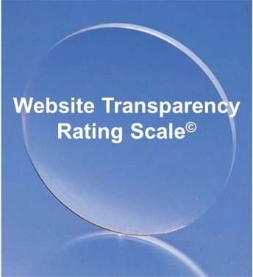

 |  |  | How Does Your Website Rate?

 |  |  | A transparency evauation for CARF-accredited organizations

 |  |  | Each item is worth 1 point unless otherwise indicated.

 |  | CARF-Accreditation |  |  |  | Points
 | 1 | CARF accreditation is described on website
 | 2 | uses former CARF accreditation logo
 |  | or uses one of the new CARF accreditation logos |  | (worth 2 points)
 | 3 | uses CARF logo on each page of the website |  | (worth 2 points)
 |  | Organization Contact Information
 | 4 | address (i.e., street, city, state, zip)
 | 5 | main telephone number of organization
 | 6 | fax number
 | 7 | main e-mail address
 |  | About the Organization
 | 8 | Mission statement
 | 9 | Vision statement
 | 10 | Philosophy statement
 | 11 | Testimonials
 | 12 | Resources links
 |  | Leadership
 | 13 | names of individuals in leadership positions
 | 14 | biography of CEO / President / Executive Director
 | 15 | - direct e-mail addresses and/or telephone numbers
 | 16 | biographies of other members of the Management Team
 |  | - direct e-mail addresses and/or telephone numbers
 |  | Governamce
 | 17 | biographies of members of the governing board
 | 18 | - direct e-mail addresses and/or telephone numbers
 |  | Clinical Staff
 | 19 | names and credentials
 | 20 | biographies of clinicians
 | 21 | - direct e-mail addresses and/or telephone numbers
 | 22 | expiration date of providers' credentials
 |  | Forms and Documents
 | 23 | Client's Rights and Responsibilities |  | (worth 2 points)
 | 24 | Professional Code of Conduct / Ethics
 | 25 | admission, intake, etc. forms
 | 26 | fees / cost of services
 |  | Social Media Links
 | 27 | Facebook
 | 28 | Twitter
 | 29 | LinkedIn and/or Google+
 | 30 | Blog
 | 31 | Newsletter(s)
 |  |  |  |  | Total: | 0

 | Scores: 0-5 Poor / 6-15 Fair / 16-23 Good / 24-28 Very Good / 29-34 Excellent
The purpose of this rating scale is to identify ways that a website is transparent as well as ways that it could be improved. |  |  |  |  |  | updated 10-19-12

© 2012 Behavioral Health Resources, LLC – 285 S. 68th Street Place, Suite 319 – Lincoln, Nebraska 68510 – (402) 486-1101 – www.bhr-llc.com

